Guidance
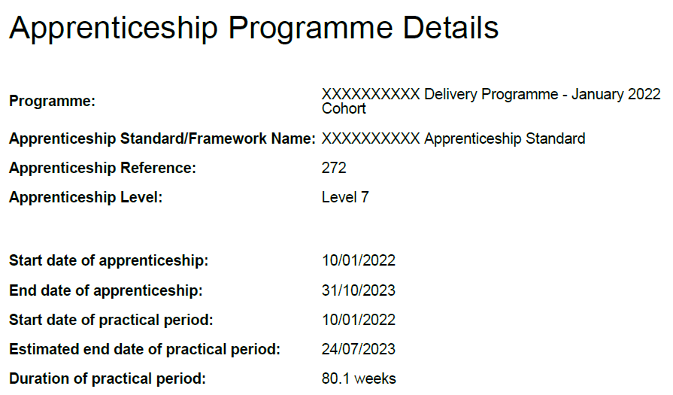
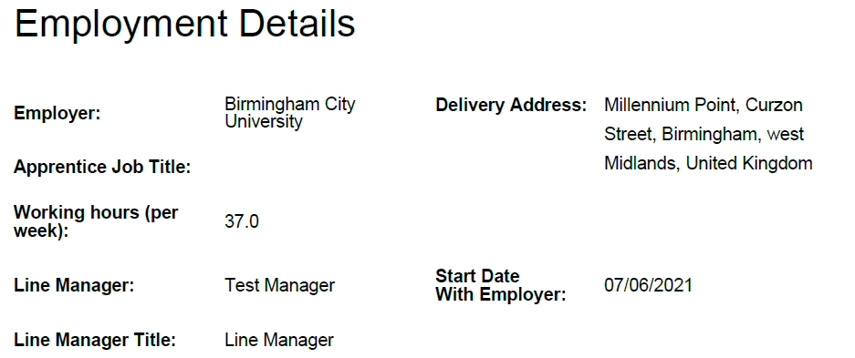
Off the Job Log - Guidance on how to complete your log

Row | Field to populate | Guidance
4 | Name | Enter your full name
5 | Apprenticeship Title | Select from the drop down menu
6 | Apprenticeship start date | Enter the start date as it appears on your commitment statement
7 | Practical Period End Date | Enter the practical period end date as it appears on your commitment statement
8 | Apprenticeship end date | Enter the overall end date as it appears on your commitment statement
9 | Total hours | Enter the value as it appears on your commitment statement
10 | Employer | Write in full, do not abbreviate or use acronyms
11 | Contracted normal working hours per week | Enter as it appears on your commitment statement. If it has changed please email apprenticeships@bcu.ac.uk immediately

This guidance is also provided above each column heading on the worksheet 'OTJ log' |  |  | Use the following to help you determine if the activity is eligible to be included in the off the job training calculation:
Column | Field to populate | Guidance | It is performed during working hours AND meets one of the following:
C | Date of OTJ | Enter the date you completed the off the job training in the format DD/MM/YYYY | 1 | Attendance at the university specifically for the apprenticeship (Block weeks, revision days)
D | Academic Year | Select from drop down menu - an academic runs from 1st August in one year to 31st July in the next | 2 | It is working through Moodle material, reading published material (books, articles) on your own, or with others outside of the University
E | Location | Enter the postcode of the location where the off the job training took place. This is important because you must spend a minimum of 50% of the duration of your apprenticeship in England | 3 | Attending webinars / conferences focused directly on your apprenticeship where a direct link to a Standard can be made
F | Type of activity | Select from the drop down menu. You must identify periods when you were on annual leave but these hours cannot be included in your off the job training so columns F onwards should not be completed where the activity is annual leave | 4 | Preparation time for an exam / assessment (e.g. revision, your BCU exam is preparation, revision days)
G | If this was a BCU taught module session enter the module code | Whenever applicable, enter the module code of the off the training | 5 | Mentoring in the work place where the mentoring session focuses on a KSB from the Standard
H | What did you do? | In no more than 500 words describe what you did | 6 | Shadowing / Observing, where the activity you are shadowing directly relates to a KSB from the Standard
I | What did you did you learn? | In no more than 500 words describe what you learnt | 7 | Reflection, where you critically reflect on an activity you have performed to identify what you have learnt from it and what else you do to improve. This must be directly related to a KSB from the Standard
J | How did it link to the apprenticeship knowledge/skills/behaviours? | Using the worksheet with the title of your apprenticeship, select the knowledge, skill or behaviour components your off the job training satisfies. If the off the job activity relates to a module, check which knowledge, skill or behaviour components that module satisfies and list those. Typically you can enter 'K1' or 'S3' or K4, S2, B7' as shown on the worksheet 'Example KSBs' or free text entry where referring to the 4 fundamental British Values: Democracy; Rule of Law; Respect and; Tolerance, Individual Liberty. Eg: in May 2020 the law changed regarding organ donation and everyone over 18, those who have not opted out and, those in an excluded group are automatically considered to have agreed to become an organ donor when they die. Does this align with the British Value for 'individual liberty'? | 8 | Performance of an activity for the first time or with additional supervision above that of others performing the same task. For example chairing a meeting for the first time where you receive additional support in the preparation, running and write up of the meeting. This would also typically include a discussion on your performance with ways to improve being agreed
K | Any next steps? | If applicable, detail any follow up actions you need to complete | What cannot be included:
L | Duration | Enter the total duration in hours and minutes in the format 00:00 | 1 | Time spent preparing, conducting or finalising your progress review
M | DECLARATION: These hours have been completed within my normal working hours | Select from the drop down | 2 | Monthly 1-1s to check on progress of day to day work activities
N | Should you have completed OTJ outside of your normal working hours has this been discussed with your employer? | Select from the drop down menu. This is important for your wellbeing | 3 | Any productive work. This means any work that you do where you follow the same process and level of supervision as someone who is not on the apprenticeship and is performing the same task
O | Running total | No action | 4 | Any training / conferences etc. which are not directly related to the Standard. Such training might be a requirement for everyone, but if not included in the Standard then this cannot be counted, e.g. annual mandatory training such as GDPR / Money Laundering / Health & Safety training
P | OTJ hours remaining | No action
Q | If these hours require approval from your employer are they approved? BCU will verify this with your employer during your next tripartite review | Select from the drop down menu. BCU will verify and discuss your off the job log with your employer at each tripartite review

